EU MR4
SEB Group, Pillar 3 disclosure Q2 2022

 | EU MR4 - Comparison of VaR estimates with gains/losses

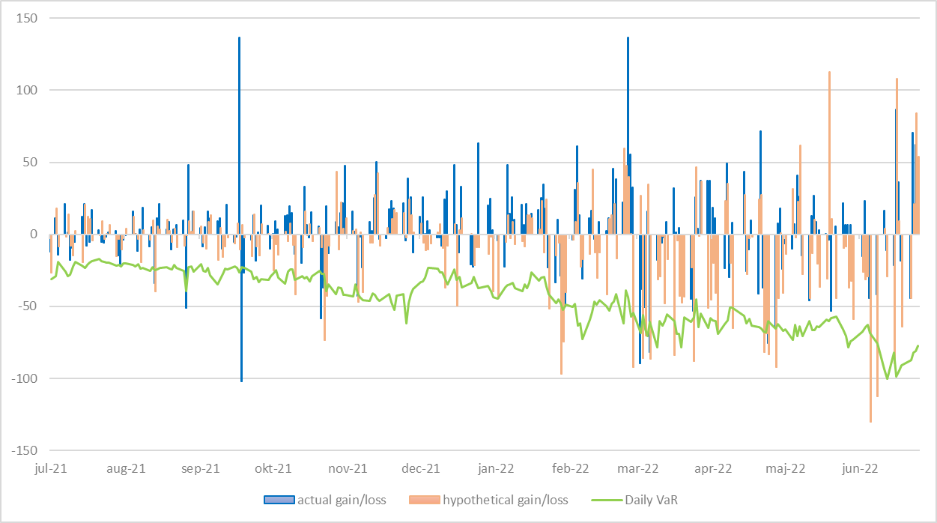

 | COMMENT
 | Due to higher market volatility, the number of theoretical back-testing breaches increased which resulted in the capital multiplier reaching its maximum level.

