EU MR4
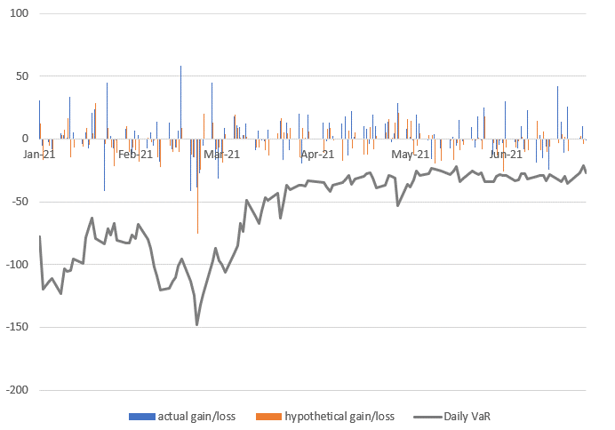
SEB Group, Pillar 3 disclosure 2021 Q2

 | EU MR4 - Comparison of VaR estimates with gains/losses

