EU MR4
SEB Group, Pillar 3 disclosure 2022 Q4

 | EU MR4 - Comparison of VaR estimates with gains/losses

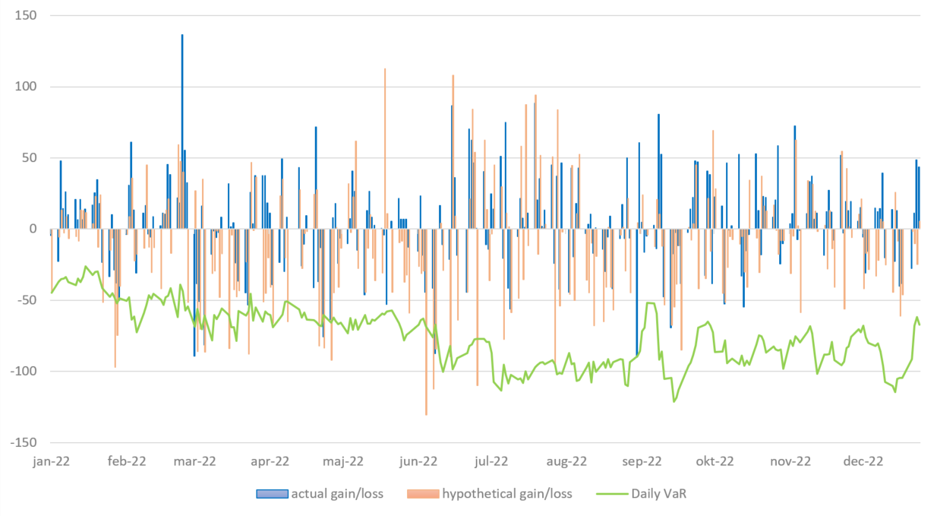

 | COMMENT
 | Due to higher market volatility, the number of theoretical back-testing breaches increased which resulted in the capital multiplier reaching its maximum level.

Op risk
SEB Group, Pillar 3 disclosure 2022 Q4

 | Operational risk incidents registered and analysed

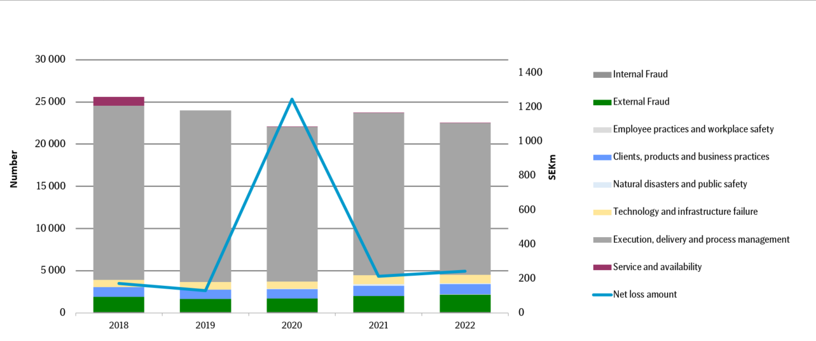

 | COMMENT
 | 2022 was characterised by low operational losses and significantly less downtime in SEB's IT systems compared to previous years. Net losses from operational incidents amounted to SEK 237m (219). Net losses in 2020 include an administrative fine from the Swedish FSA.

Eco cap
SEB Group, Pillar 3 disclosure 2022 Q4

 | Economic capital for consolidated situation
 | Economic capital including diversification effects, SEK bn
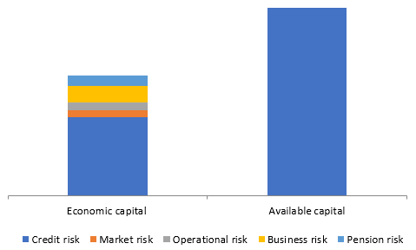

 | SEK bn | 2022 | 2021
 | Total | 87 | 83

 | COMMENT
 | The economic capital or internally assessed capital requirement for the consolidated situation amounted to SEK 87bn (83).

 | The available capital to cover for the economic capital amounted to SEK 170bn (159), which shows that SEB is well capitalised in relation to its risks

