Cover


This is SEB
This is SEB

We connect ideas, people and capital to drive progress | Being a leading northern European corporate bank with international reach, we support our customers in making their ideas come true. We do this through long-term relationships, innovative solutions, tailored advice and digital services – and by partnering with our customers in accelerating change towards a more sustainable world.

Our customers | 2,000 large corporations, 1,100 financial institutions, 292,000 small and medium sized enterprises and 1.3 million private full-service customers bank with SEB.

Our values | We are guided by our Code of Conduct and the SEB behaviours: create value, act long-term and build positive relationships.

Our employees | Around 17,500 highly skilled employees serving our customers from locations in more than 20 countries – covering different time zones, securing reach and local market knowledge.

Our history | We have a long tradition of supporting people and companies and helping drive development. Ever since we welcomed our first customer in 1856, we have been guided by engagement and curiosity about the future. By providing financial products and tailored advisory services to meet our customers’ changing needs, we build on our long-term relationships and do our part to contribute to a more sustainable society.

Focus areas | Acceleration of efforts – Strengthening our customer offering by continuing to build on existing strengths through extra focus and resources targeted at already established areas.

 | Strategic change – Evaluating the need for strategic change and transforming the way we do business within already established areas.

 | Strategic partnerships – Collaborating and partnering with external stakeholders and rethinking how we produce and distribute our products and services.

 | Efficiency improvement – Increasing our focus on strategic enablers allowing us to improve efficiency and accelerate SEB’s transformation journey.

Organisation
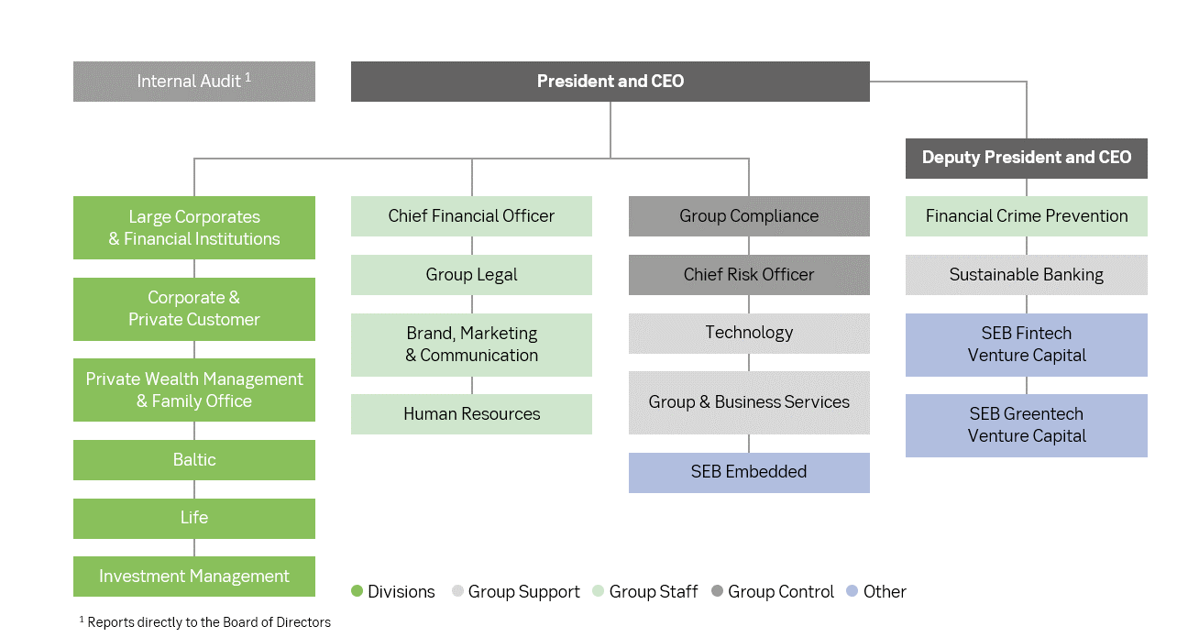

The division Large Corporates & Financial Institutions offers commercial and investment banking services to large corporate and institutional clients, in the Nordic region, Germany and the United Kingdom. Customers are also served through the international network.

The division Corporate & Private Customers offers full banking and advisory services to private individuals and small and medium-sized corporate customers in Sweden, as well as card services in four Nordic countries. Swedish affluent individuals are also offered private banking services.

The division Private Wealth Management & Family Office offers comprehensive banking infrastructure, access to capital markets, financing solutions and individually tailored advisory services to entrepreneurs, high net worth individuals, foundations and family offices.

The Baltic division provides full banking and advisory services to private individuals and small and medium-sized corporate customers in Estonia, Latvia and Lithuania.

The Life division offers life insurance solutions to private as well as corporate and institutional clients mainly in the Nordic and Baltic countries.

The division Investment Management consists of SEB Investment Management, which manages SEB funds and mandates distributed via SEB’s customer channels, and Institutional Asset Management, which distributes funds and mandates managed by SEB Investment Management and other institutes.

Corporate gov
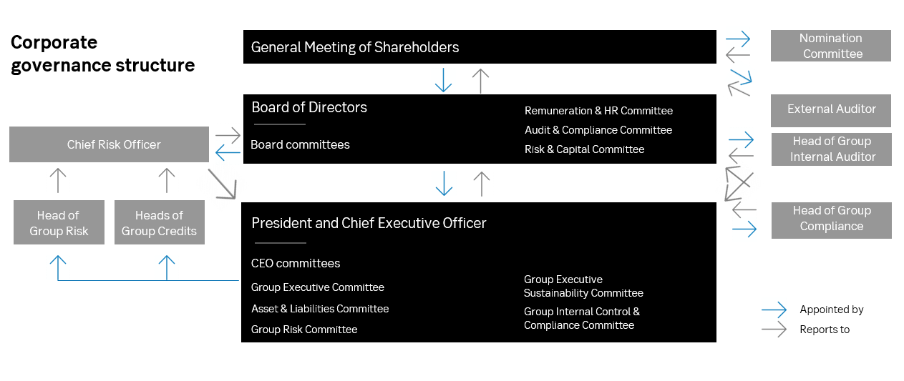
Corporate governance
SEB follows the Swedish Corporate Governance Code (Bolagsstyrningskoden). The governance structure comprises:

- Annual General Meeting (AGM)
- Board of Directors (Board)
- President and Chief Executive Officer (CEO)
- Divisions, including business areas and business units
- Group Support and Group Staff functions
- Group Control functions: Internal Audit, Compliance and CRO Function

Board
The Board members are appointed by the shareholders at the AGM for a one-year term of office, extending through the next AGM. The Board of Directors consists of eleven members without any deputies, elected by the AGM, and of two members and two deputies appointed by the trade unions.

In order for the Board to form a quorum more than half of the members must be present. The President and CEO, Johan Torgeby, is the only Board member elected by the AGM who is an employee of the Bank. All other Board members elected by the AGM are considered to be independent in relation to the Bank and its Management. Three Board members are considered non-independent in relation to major shareholders.

President and CEO
The President and CEO has five different committees at his disposal; the Group Executive Committee (GEC), the Group Risk Committee (GRC), the Asset and Liability Committee (ALCO), the Group Executive Sustainability Committee (GESC) and the Group Internal Control and Compliance Committee (GICC). The GEC deals with, among other things, matters of common concern to several divisions, strategic issues, business plans, financial forecasts and reports.

Instructions and Policies
The Board of Directors and the President and CEO perform their governing and controlling roles through several policies and instructions, the purpose of which is to clearly define the distribution of responsibility.

The Rules of Procedure for the Board of Directors, the Instruction for the President and Chief Executive Officer, the Instruction on Internal Governance, the Group’s Credit Instruction and Risk Policy, Instruction for Handling of Conflicts of Interest, Policy on Anti-Money Laundering and Combating Financing of Terrorism, Financial Sanctions Policy, Remuneration Policy, Code of Conduct and the Corporate Sustainability Policy are of special importance.

Share, shareholders, rating
The SEB share
1 Jan 2013 - 31 Dec 2023

 |  |  |  |  |  |  |  | .

10 largest shareholders |  | Rating

 | Share of capital, | Moody's |  | S&P |  | Fitch
31 Dec 2023 | per cent | Outlook Stable |  | Outlook Stable |  | Outlook Stable
Investor | 21.3 | Short | Long | Short | Long | Short | Long
AMF Pension & Funds | 5.4 | P-1 | Aaa | A-1+ | AAA | F1+ | AAA
Alecta Tjänstepension | 5.0 | P-2 | Aa1 | A-1 | AA+ | F1 | AA+
Swedbank Robur Funds | 4.0 | P-3 | Aa2 | A-2 | AA | F2 | AA
SEB's own shareholding | 3.1 |  | Aa3 | A-3 | AA- | F3 | AA-
Vanguard | 2.9 |  | A1 |  | A+ |  | A+
BlackRock | 2.6 |  | A2 |  | A |  | A
Handelsbanken Funds | 2.4 |  | A3 |  | A- |  | A-
SEB Funds | 2.1 |  | Baa1 |  | BBB+ |  | BBB+
Harding Loevner | 1.7 |  | Baa2 |  | BBB |  | BBB
Total share of foreign shareholders | 27.6 |  | Baa3 |  | BBB- |  | BBB-

Source: Euroclear Sweden/Modular Finance.

Dividend development
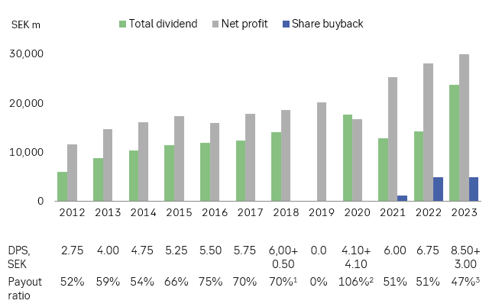

Net profit and payout ratio 2014-2022 excluding items affecting comparability. 1 2018 excludes extraordinary dividend, including extraordinary dividend, pay-out ratio amounted to 76%. 2 The ordinary and further ordinary dividend paid in 2021 of SEK 4.10 and SEK 4.10 respectively apply to years 2019 and 2020 when dividend restrictions were in place leading to a pro forma payout ratio for these years of around 50%. 3 2023 is Board’s proposal to the AGM. Excludes special dividend. Including special dividend, payout ratio amounted to 63%.

LC&FI
Large Corporates & Financial Institutions

SEK m | Q4 2021 | Q1 2022 | Q2 2022 | Q3 2022 | Q4 2022 | Q1 2023 | Q2 2023 | Q3 2023 | Q4 2023
Net interest income | 2,627 | 2,967 | 3,264 | 3,680 | 4,241 | 4,727 | 4,896 | 4,850 | 4,861
Net fee and commission income | 2,018 | 1,790 | 2,007 | 1,719 | 1,886 | 1,802 | 1,952 | 1,692 | 1,879
Net financial income | 1,199 | 1,165 | 961 | 1,134 | 1,732 | 1,300 | 1,496 | 1,130 | 1,241
Net other income | -4 | 41 | -28 | -84 | 50 | 28 | -12 | -43 | -7
Total operating income | 5,840 | 5,963 | 6,203 | 6,450 | 7,910 | 7,857 | 8,331 | 7,629 | 7,974
Staff costs | -1,060 | -1,119 | -1,132 | -1,108 | -1,153 | -1,156 | -1,170 | -1,206 | -1,213
Other expenses | -1,351 | -1,325 | -1,383 | -1,375 | -1,486 | -1,552 | -1,541 | -1,555 | -1,631
Depreciation, amortisation and impairment of tangible and intangible assets | -14 | -10 | -7 | -7 | -6 | -6 | -6 | -6 | -6
Total operating expenses | -2,425 | -2,453 | -2,522 | -2,489 | -2,645 | -2,714 | -2,717 | -2,768 | -2,851
Profit before credit losses and imposed levies | 3,415 | 3,510 | 3,681 | 3,961 | 5,265 | 5,143 | 5,615 | 4,861 | 5,122
Net expected credit losses | -287 | -396 | -262 | -349 | -244 | -58 | 190 | -38 | -476
Imposed levies | -149 | -322 | -314 | -277 | -305 | -393 | -415 | -359 | -389
Operating profit | 2,980 | 2,792 | 3,105 | 3,334 | 4,716 | 4,692 | 5,390 | 4,464 | 4,257

Cost/Income | 0.42 | 0.41 | 0.41 | 0.39 | 0.33 | 0.35 | 0.33 | 0.36 | 0.36
Business equity, SEK bn | 64.2 | 69.4 | 74.3 | 74.9 | 77.9 | 81.7 | 81.0 | 82.1 | 81.3
Return on business equity, per cent
-isolated in the quarter | 14.3 | 12.4 | 12.9 | 13.7 | 18.6 | 17.7 | 20.5 | 16.8 | 16.1
-accumulated in the period | 14.3 | 12.4 | 12.6 | 13.0 | 14.5 | 17.7 | 19.1 | 18.3 | 17.8
Risk exposure amount, SEK bn | 396 | 431 | 447 | 473 | 451 | 446 | 461 | 468 | 451
Loans to the public*, SEK bn | 673 | 729 | 786 | 855 | 829 | 828 | 843 | 806 | 805
Deposits from the public*, SEK bn | 732 | 792 | 899 | 897 | 763 | 822 | 832 | 801 | 744
FTEs, present | 2,155 | 2,208 | 2,188 | 2,196 | 2,173 | 2,330 | 2,362 | 2,354 | 2,354

* Excluding repos.

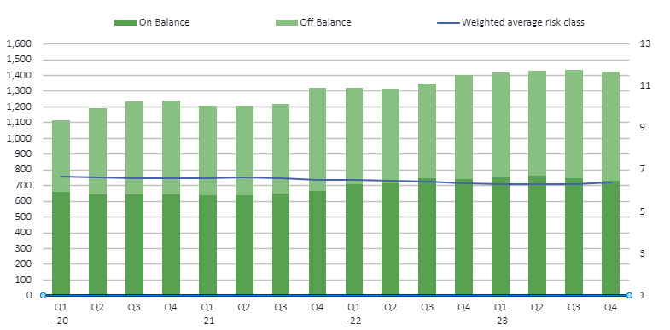
Lending and commitments development*, FX-adjusted |  |  |  | FICC and Equities income by main product cluster, excl. XVA

* To Corporates and Real estate management.

Low risk trading orientation
Low-risk in client faciliation operations render minimal losses in the market operations.
Daily trading income Jan 1, 2007 - Dec 29, 2023. 224 negative days out of 4,264 days. Average loss SEK 12m.
Graph below reflecting time period between Dec 28, 2018 - Dec 29, 2023. For longer time period, please see Fact book from Q3 2023.

SEKm

Contacts & calender
Contacts
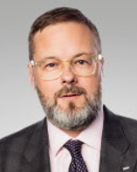
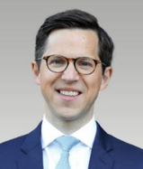

 | Pawel Wyszynski |  | Per Andersson
 | Head of Investor Relations |  | Senior Investor Relations Officer
 | Mobile: +46 70 462 21 11 |  | Phone: +46 8 763 81 71
 | Email: pawel.wyszynski@seb.se |  | Mobile: +46 70 667 74 81
 |  |  | Email: per.andersson@seb.se
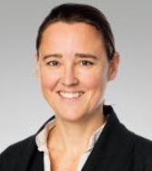
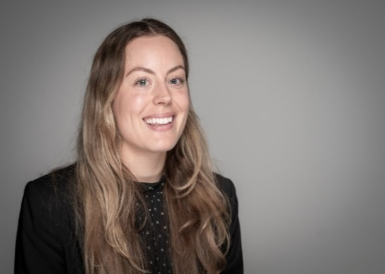
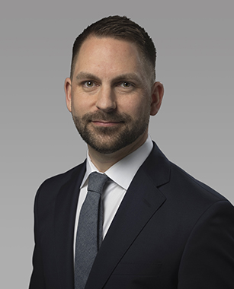

 | Philippa Allard |  | Amelie Blecher |  | Niklas Magnusson
 | Head of Debt Investor Relations |  | Debt Investor Relations Officer |  | Head of Media Relations & External Communication
 | Phone: +46 8 763 85 44 |  | Mobile: +46 70 462 21 96 |  | Mobile: +46 70 763 82 43
 | Mobile: +46 70 618 83 35 |  | Email: amelie.blecher@seb.se |  | E-mail: niklas.x.magnusson@seb.se
 | Email: philippa.allard@seb.se

Financial calendar 2024
27 February |  | Annual and Sustainability report 2023
19 March |  | Annual General Meeting
20 March |  | The SEB share is traded ex-dividend
21 March |  | Proposed record date for the dividend
26 March |  | Dividend disbursal
24 April |  | Quarterly Report January-March 2024 |  | The silent period starts on 1 April 2024
16 July |  | Quarterly Report January-June 2024 |  | The silent period starts on 1 July 2024
24 October |  | Quarterly Report January-September 2024 |  | The silent period starts on 1 October 2024

