Cover


This is SEB
This is SEB
SEB is a leading northern European financial services group, founded in 1856. Our ambition is to be a leading corporate and investment bank in norther Europe with an international reach. We also provide private individuals and small and medium-sized companies in Sweden and the Baltics with products and services in a digital format - with personalised service in important moments of life. Our home markets are the Nordic and Baltic countries, Germany and the United Kingdom. By partnering with our customers, we want to be a leading catalyst in the transition to a more sustainable world.
Organisation
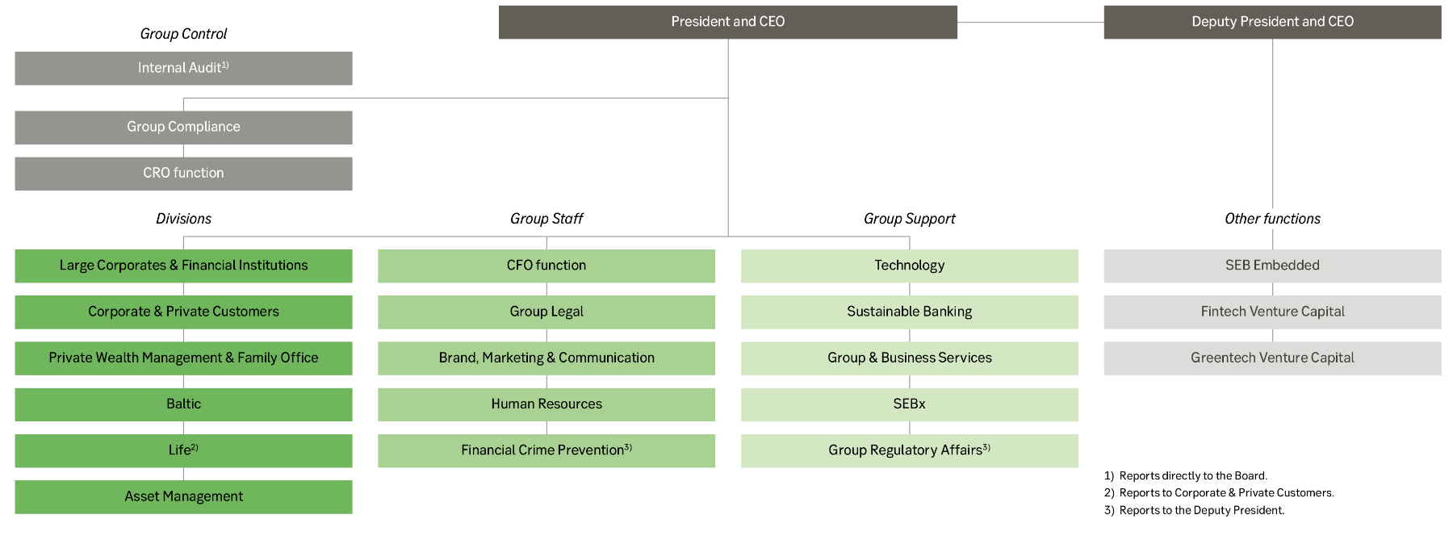

Share of operating profit
Jan-Dec 2023

Business divisions excluding Other and eliminations |  |  |  |  |  | Geography excluding International network

Financial targets
 | 2019 | 2020 | 2021 | 2022 | 2023 | Jan-Mar 2024 | Target
Return on equity (%) 1) | 13.8 2) | 10.3 2) | 13.9 | 14.52) | 17.9 | 17.2 | To reach a return on equity that is competitive with peers. In the long term, SEB aspires to reach a sustainable return on equity of 15 per cent.

Common Equity Tier 1 ratio (%) | 17.6 | 21.0 | 19.7 | 19.0 | 19.1 | 18.9
of which capital buffer above the regulatory capital requirement (bps) | 250 | 840 | 590 | 470 | 440 | 420 | To maintain a Common Equity Tier 1 capital ratio of 100-300 basis points above the requirement from the Swedish FSA.
Dividend payout ratio (%) 1) | 0 | 106 3) | 51 | 51 | 47 4) |  | To pay a yearly dividend around 50 per cent of the earnings per share excluding items affecting comparability, and distribute potential capital in excess of the targeted capital position mainly through share repurchases.

1) Excluding items affecting comparability.
2) Return on equity including items affecting comparability: 13.7% in 2019, 9.7% in 2020 and 13.8% in 2022.
3) The ordinary and further ordinary dividend paid in 2021 of SEK 4.10 and SEK 4.10 respectively apply to years 2019 and 2020 when dividend restrictions were in place, leading to a pro forma payout ratio for these years of around 50%.
4) Payout ratio excluding special dividend. Including special dividend, payout ratio amounted to 63%.

Contacts & calender
Contacts
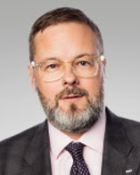


 | Pawel Wyszynski |  | Per Andersson
 | Head of Investor Relations |  | Senior Investor Relations Officer
 | Mobile: +46 70 462 21 11 |  | Phone: +46 8 763 81 71
 | Email: pawel.wyszynski@seb.se |  | Mobile: +46 70 667 74 81
 |  |  | Email: per.andersson@seb.se
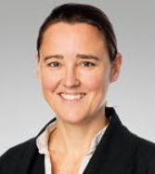

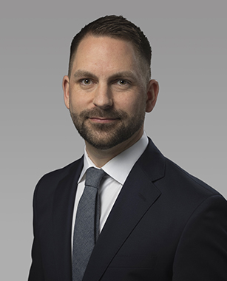

 | Philippa Allard |  | Amelie Blecher |  | Niklas Magnusson
 | Head of Debt Investor Relations |  | Debt Investor Relations Officer |  | Head of Media Relations & External Communication
 | Phone: +46 8 763 85 44 |  | Mobile: +46 70 462 21 96 |  | Mobile: +46 70 763 82 43
 | Mobile: +46 70 618 83 35 |  | Email: amelie.blecher@seb.se |  | E-mail: niklas.x.magnusson@seb.se
 | Email: philippa.allard@seb.se

Financial calendar 2024
16 July |  | Quarterly Report January-June 2024 |  | The silent period starts on 1 July 2024
24 October |  | Quarterly Report January-September 2024 |  | The silent period starts on 1 October 2024

