EU MR4
SEB Group, Pillar 3 disclosure 2023 Q4

 | EU MR4 – Comparison of VaR estimates with gains/losses

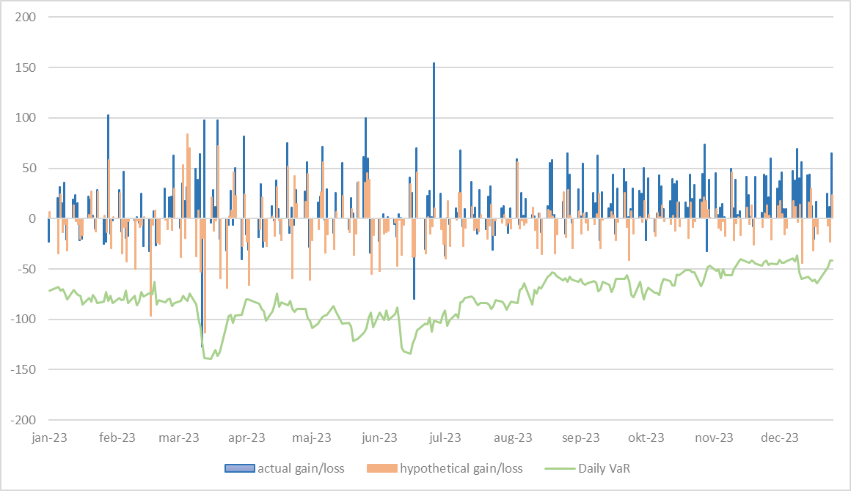

 | COMMENT
 | During 2023 there were significantly fewer breaches than 2022, with one hypothetical and one actual back testing breach. The capital multiplier is now at the minimum level.

